Sheet2
$$α=0.3, β=0.1$$
$$b_{1}=0, L_{1}=Y_{1}$$
$$L_{t}=αY_{t}+(1−α)(L_{t−1}+b_{t−1})$$
$$b_{t}=β\left(L_{t}−L_{t−1}\right)+\left(1−β\right)b_{t−1}$$
$$F_{t+m}=L_{t}+mb_{t}$$
Year | Quarter | t | sales | L_t | b_t | F_{t+m}
1994 | 1 | 1 | 500 | 500 | 0 | 500
 | 2 | 2 | 350 | 455 | -4.5 | 500.00
 | 3 | 3 | 250 | 390.35 | -10.515 | 450.50
 | 4 | 4 | 400 | 385.88 | -9.91 | 379.84
1995 | 1 | 5 | 450 | 398.18 | -7.69 | 375.97
 | 2 | 6 | 350 | 378.34 | -8.90 | 390.49
 | 3 | 7 | 200 | 318.61 | -13.99 | 369.44
 | 4 | 8 | 300 | 303.23 | -14.13 | 304.62
1996 | 1 | 9 | 350 | 307.38 | -12.30 | 289.11
 | 2 | 10 | 200 | 266.55 | -15.15 | 295.08
 | 3 | 11 | 150 | 220.98 | -18.19 | 251.40
 | 4 | 12 | 400 | 261.95 | -12.28 | 202.79
1997 | 1 | 13 | 550 | 339.77 | -3.27 | 249.67
 | 2 | 14 | 350 | 340.55 | -2.86 | 336.50
 | 3 | 15 | 250 | 311.38 | -5.49 | 337.69
 | 4 | 16 | 550 | 379.12 | 1.83 | 305.89
1998 | 1 | 17 | 550 | 431.67 | 6.90 | 380.95
 | 2 | 18 | 400 | 427.00 | 5.74 | 438.57
 | 3 | 19 | 350 | 407.92 | 3.26 | 432.74
 | 4 | 20 | 600 | 467.83 | 8.93 | 411.18
1999 | 1 | 21 | 750 | 558.73 | 17.12 | 476.75
 | 2 | 22 | 500 | 553.10 | 14.85 | 575.85
 | 3 | 23 | 400 | 517.56 | 9.81 | 567.94
 | 4 | 24 | 650 | 564.16 | 13.49 | 527.37
2000 | 1 | 25 | 850 | 659.35 | 21.66 | 577.65
 | 2 | 26 | 600 | 656.71 | 19.23 | 681.01
 | 3 | 27 | 450 | 608.16 | 12.45 | 675.94
 | 4 | 28 | 700 | 644.43 | 14.83 | 620.61

Additive Seasonality
Year | Quarter | t | sales | L_t | b_T | S_t | F_{t+m}
1994 | 1 | 1 | 500 |  |  | 125.00
 | 2 | 2 | 350 |  |  | -25.00
 | 3 | 3 | 250 |  |  | -125.00
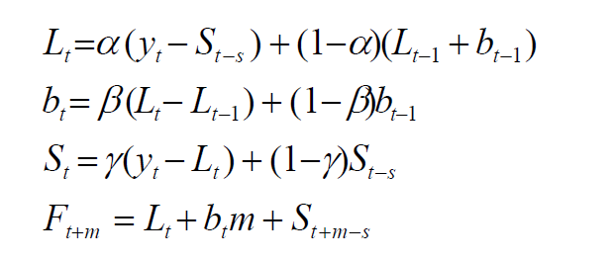
 | 4 | 4 | 400 | 375 | -12.5 | 25.00
1995 | 1 | 5 | 450 | 347.5 | -14 | 118.25 | 487.50
 | 2 | 6 | 350 | 350.10 | -12.34 | -17.53 | 308.50
 | 3 | 7 | 200 | 332.66 | -12.85 | -127.30 | 212.76
 | 4 | 8 | 300 | 301.88 | -14.64 | 16.93 | 344.81
1996 | 1 | 9 | 350 | 265.04 | -16.86 | 108.26 | 405.49
 | 2 | 10 | 200 | 235.92 | -18.09 | -23.05 | 230.65
 | 3 | 11 | 150 | 241.62 | -15.71 | -116.59 | 90.54
 | 4 | 12 | 400 | 288.77 | -9.42 | 45.22 | 242.84
1997 | 1 | 13 | 550 | 344.30 | -2.93 | 137.49 | 387.61
 | 2 | 14 | 350 | 354.04 | -1.66 | -17.35 | 318.33
 | 3 | 15 | 250 | 358.07 | -1.09 | -114.04 | 235.79
 | 4 | 16 | 550 | 416.10 | 4.82 | 71.83 | 402.20
1998 | 1 | 17 | 550 | 417.55 | 4.48 | 135.98 | 558.41
 | 2 | 18 | 400 | 420.16 | 4.30 | -18.19 | 404.69
 | 3 | 19 | 350 | 440.29 | 5.88 | -106.91 | 310.42
 | 4 | 20 | 600 | 478.97 | 9.16 | 86.59 | 517.99
1999 | 1 | 21 | 750 | 538.49 | 14.19 | 158.64 | 624.11
 | 2 | 22 | 500 | 538.88 | 12.82 | -24.40 | 534.49
 | 3 | 23 | 400 | 533.78 | 11.02 | -114.97 | 444.79
 | 4 | 24 | 650 | 552.25 | 11.77 | 89.94 | 631.40
2000 | 1 | 25 | 850 | 614.95 | 16.86 | 181.56 | 722.66
 | 2 | 26 | 600 | 628.85 | 16.56 | -25.73 | 607.42
 | 3 | 27 | 450 | 613.24 | 13.35 | -129.45 | 530.44
 | 4 | 28 | 700 | 619.98 | 12.69 | 86.96 | 716.52
2001 | 1 |  |  |  |  |  | 814.22
 | 2 |  |  |  |  |  | 619.61
 | 3 |  |  |  |  |  | 528.58
 | 4 |  |  |  |  |  | 757.68

Regression Analysis
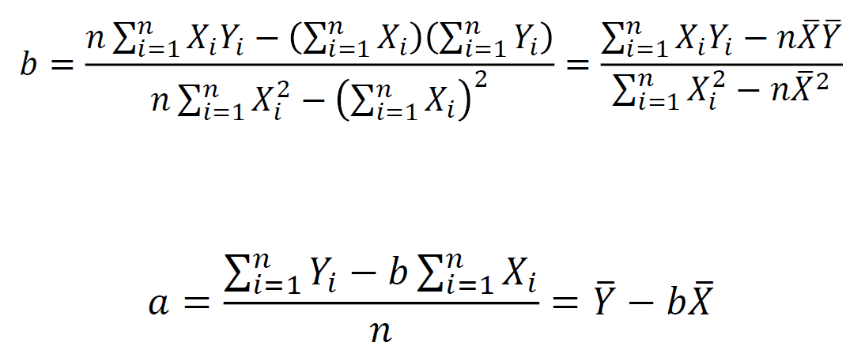
Year | Y | X | XY | X^2 | Y_hat | Y-Y_hat | X-Xavg
2009 | 2 | 1 | 2 | 1 | 2.05 | -0.05 | -5.00
2010 | 3 | 2 | 6 | 4 | 3.69 | -0.69 | -4.00
2011 | 6 | 3 | 18 | 9 | 5.34 | 0.66 | -3.00
2012 | 10 | 4 | 40 | 16 | 6.98 | 3.02 | -2.00
2013 | 8 | 5 | 40 | 25 | 8.63 | -0.63 | -1.00
2014 | 7 | 6 | 42 | 36 | 10.27 | -3.27 | 0.00
2015 | 12 | 7 | 84 | 49 | 11.92 | 0.08 | 1.00
2016 | 14 | 8 | 112 | 64 | 13.56 | 0.44 | 2.00
2017 | 14 | 9 | 126 | 81 | 15.21 | -1.21 | 3.00
2018 | 18 | 10 | 180 | 100 | 16.85 | 1.15 | 4.00 | b | 1.645
2019 | 19 | 11 | 209 | 121 | 18.50 | 0.50 | 5.00 | a | 0.4
Total | 113 | 66 | 859 | 506 |  | 24.35 | 110.00
Average | 10.27 | 6.00 | 78.09 | 46.00
 |  |  |  |  |  |  |  | corr | 0.96146110125
 |  |  |  |  |  |  |  | R^2 | 0.92440744921

 |  |  |  |  |  |  |  | Standard Errors
 |  |  |  |  |  |  |  | SE_b | 0.157
 |  |  |  |  |  |  |  | t | 10.491
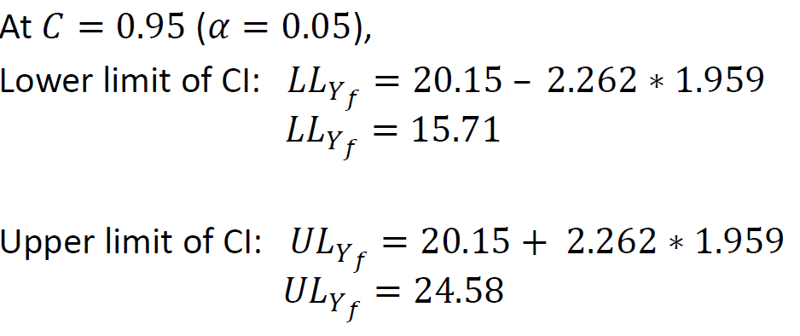
 |  |  |  |  |  |  |  | t_c | 2.262
 |  |  |  |  |  |  |  | SE_f | 1.959

Sheet7
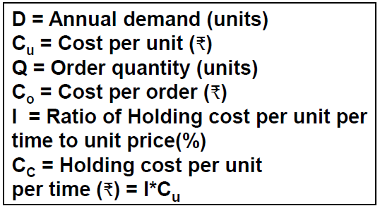
$$Q^{∗}=\sqrt{\frac{2DC_{0}}{C_{c}} }$$

